Start Here
GCNF Global Survey of School Meal Programs© Database

 | The data contained in this workbook were obtained through the first three survey waves of the Global Survey of School Meal Programs, implemented by the Global Child Nutrition Foundation (GCNF). These surveys generally reflect the 2017, 2020, and 2022 school years.

 | The Global Survey of School Meal Programs strengthens the work of the global school meal network by developing a comprehensive and standardized description of all the core aspects of large-scale school meal programs around the world. The Global Survey offers hundreds of data points, a common language, and shared measurements that allow policy and decision makers to make informed, targeted investments in school feeding while monitoring progress. It is designed to be conducted every two to three years, allowing for monitoring of changes over time. The Global Survey of School Meal Programs is the first successful attempt to solicit such extensive data directly from government representatives on a global scale. First launched in 2019 with participation from 105 countries, the Global Survey of School Meal Programs was conducted a second time in 2021 with data from 139 countries, and was conducted a third time in 2024 with data from 144 countries. Altogether, this forms a comprehensive global database with results from 167 countries in all, filling a critical data gap for this major social safety net program. The dataset has been rapidly incorporated into major global reports such as GCNF’s School Meal Programs Around the World, World Food Programme’s State of School Feeding Worldwide, and UNESCO’s Ready to Learn and Thrive report, and the dataset is a key component of the monitoring mechanism for the School Meals Coalition. Most importantly, countries that respond to the survey use it to update their own understanding, reporting, and decision making, and they are increasingly aware of the value of the data for advocating for resources and actions to support their programs.

 | Information in this workbook may be updated and augmented if necessary. We have therefore indicated the date on which this database has been most recently updated.

 | For commentary and an orientation to these statistics, please see the School Meal Programs Around the World global reports, available at:
 | https://gcnf.org/global-reports/

 | For more information or questions, please contact:
 | info@gcnf.org
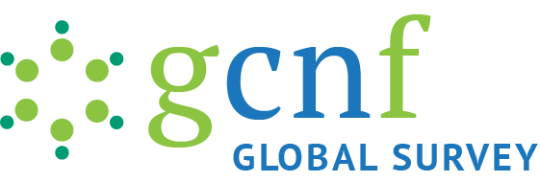

GCNF Global Survey of School Meal Programs© Database |  | Date Last Updated

Contents
Variables |  | 8-Jan-25
All Years |  | 8-Jan-25
Most Recent Year |  | 8-Jan-25
Most Recent Year - Sparse (Student numbers and budget only) |  | 8-Jan-25
Survey Wave 1 (2017 School Year) |  | 23-Dec-23
Survey Wave 2 (2020 School Year) |  | 24-Sep-23
Survey Wave 3 (2022 School Year) |  | 8-Jan-25

